Dashboard
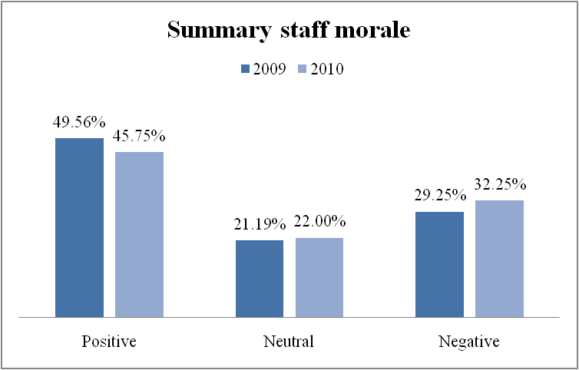
VIKING PROJECT DASHBOARD
Date |  | Phase
Progress | 47% | Week |  | Schedule status | Under schedule
 |  |  |  | Budget status | Under budget
Viking milestones
Phase | Milestone | Status | Date
Planning | High level WBS | Done
 | High level schedule | Done
Requirement | URD | Done
 | SRS | Done
Review plan | Detail WBS | Done
 | Detail schedule | Done
 | Change management plan | Done
 | Risk management plan | Done
Design | System architect document | Done
 | High level design document | Done
 | Low level design document | Done
Coding | Source code | In progress
 | Run - program | In progress
Testing | Test plan | In progress
 | Implement Integrated test | In progress
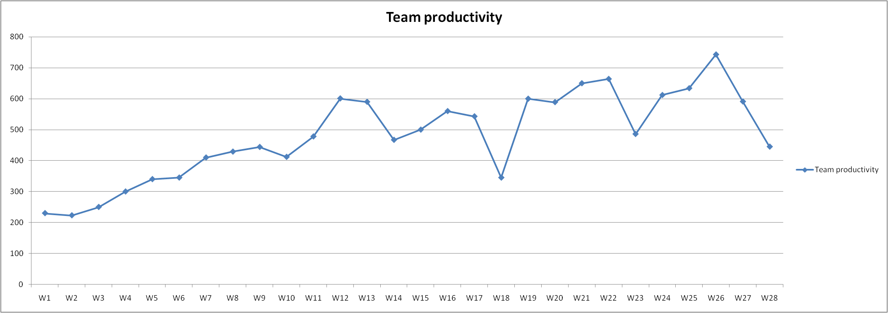
 | Implement System test | In progress
Deployment | Install and run customer enviroment | In progress
 | Close project | In progress

Customer satisfaction
satisfied
Staff morale
med-high

Staff morale
Working enviroment

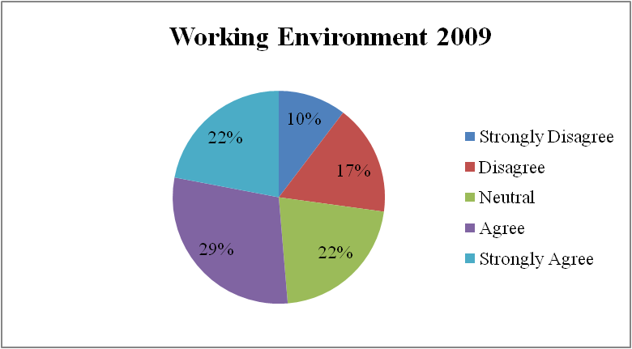
 | No. | Working Environment 2009 | Strongly Disagree | Disagree | Neutral | Agree | Strongly Agree
 | 2 | I feel informed about changes that affect me | 14 | 18 | 28 | 24 | 16 | 100
 | 4 | My department is a great place to work | 11 | 17 | 14 | 36 | 22 | 100
 | 5 | ABC Systems is a great place to work | 12 | 18 | 17 | 31 | 22 | 100
 | 6 | My project is a great place to work | 8 | 13 | 28 | 25 | 26 | 100
 | 10 | I have the tools and resources that I need to get my job done | 7 | 12 | 21 | 32 | 28 | 100
 | 12 | I would recommend ABC Systems to friends as a great place to work | 10 | 23 | 21 | 28 | 18 | 100
 |  | TOTAL | 62 | 101 | 129 | 176 | 132 | 600

 |  | Recommended Minimum Target for Communication 65%
 |  | Positive (Include: Strongly Agree & Agree) |  |  |  |  | 51.33%
 |  | Neutral |  |  |  |  | 21.50%
 |  | Negative (Include: Strongly Disagree & Disagree) |  |  |  |  | 27.17%

 |  | Comments on Working Environment 2009
 |  | 1. Working Environment positive are medium 2. Working Environment negative is low (>1/4) 3. The level argree is the highest and the level is the lowest Disargee Strongly, approximately 2 times. 4. Manager should focus on communication with staff to understand what the way their receive information.

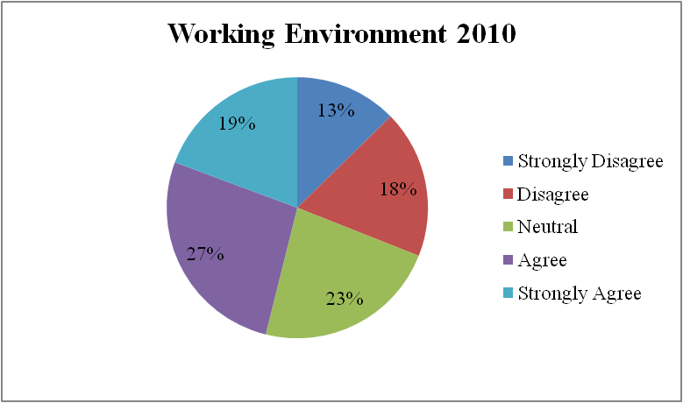
 | No. | Working Environment 2010 | Strongly Disagree | Disagree | Neutral | Agree | Strongly Agree
 | 2 | I feel informed about changes that affect me | 26 | 28 | 40 | 36 | 20 | 150
 | 4 | My department is a great place to work | 20 | 26 | 26 | 47 | 31 | 150
 | 5 | ABC Systems is a great place to work | 19 | 27 | 34 | 40 | 30 | 150
 | 6 | My project is a great place to work | 16 | 24 | 40 | 36 | 34 | 150
 | 10 | I have the tools and resources that I need to get my job done | 15 | 25 | 32 | 42 | 36 | 150
 | 12 | I would recommend ABC Systems to friends as a great place to work | 18 | 35 | 34 | 40 | 23 | 150
 |  | TOTAL | 114 | 165 | 206 | 241 | 174 | 900

 |  | Recommended Minimum Target for Communication 65%
 |  | Positive (Include: Strongly Agree & Agree) |  |  |  |  | 46.11%
 |  | Neutral |  |  |  |  | 22.89%
 |  | Negative (Include: Strongly Disagree & Disagree) |  |  |  |  | 31.00%

 |  | Comments on Working Environment 2010
 |  | 1. The neutral increase in all problems. 2. Manager should focus on communication with staff to understand what the way their receive information. 3. Manager should find out why ABC system is not a great place to work

Communication

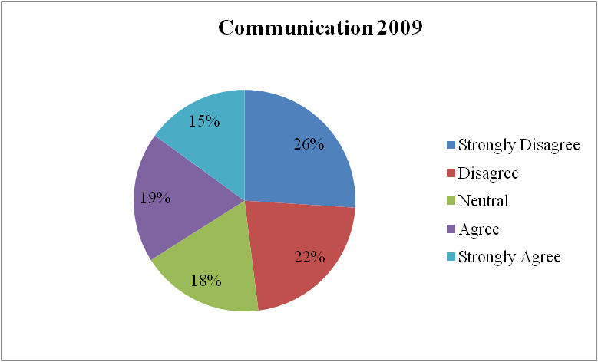
 | No. | Communication 2009 | Strongly Disagree | Disagree | Neutral | Agree | Strongly Agree
 | 9 | There is cooperation between the departments in the company | 26 | 22 | 18 | 19 | 15 | 100

 |  | Recommended Minimum Target for Communication 65%
 |  | Positive (Include: Strongly Agree & Agree) |  |  |  |  | 34%
 |  | Neutral |  |  |  |  | 18%
 |  | Negative (Include: Strongly Disagree & Disagree) |  |  |  |  | 48%

 |  | Comments on Communication 2009
 |  | 1. Communication positive are pretty low. 2. To improve communication in company, manager should find out the reason why by asking staff directly

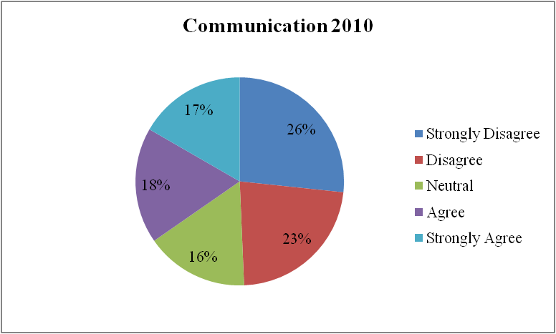
 | No. | Communication 2010 | Strongly Disagree | Disagree | Neutral | Agree | Strongly Agree
 | 9 | 9. There is cooperation between the departments in the company | 40 | 34 | 24 | 27 | 25 | 150

 |  | Recommended Minimum Target for Communication 65%
 |  | Positive (Include: Strongly Agree & Agree) |  |  |  |  | 35%
 |  | Neutral |  |  |  |  | 16%
 |  | Negative (Include: Strongly Disagree & Dísagree) |  |  |  |  | 49%

 |  | Comments on Communication 2010
 |  | 1. Communication positive are pretty low 2. Recommend like the year before

Chance

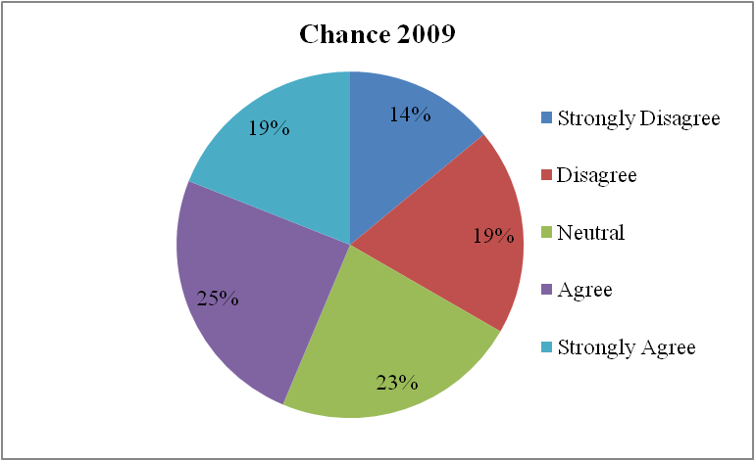
 | No. | Chance 2009 | Strongly Disagree | Disagree | Neutral | Agree | Strongly Agree
 | 1 | I see career growth and advancement opportunities for myself at ABC Systems | 12 | 25 | 20 | 26 | 17 | 100
 | 3 | I am provided with opportunities to broaden my skills and knowledge | 22 | 20 | 32 | 12 | 14 | 100
 | 15 | I know how my work contributes to the success of ABC Systems | 8 | 13 | 17 | 36 | 26 | 100
 |  | TOTAL | 42 | 58 | 69 | 74 | 57 | 300

 |  | Recommended Minimum Target for chance 65%
 |  | Positive (Include: Strongly Agree & Agree) |  |  |  |  | 44%
 |  | Neutral |  |  |  |  | 23%
 |  | Negative (Include: Strongly Disagree & Disagree) |  |  |  |  | 33%

 |  | Comments on Chance 2009
 |  | 1. Company did not provide opportunities to train staff skills and knowledge

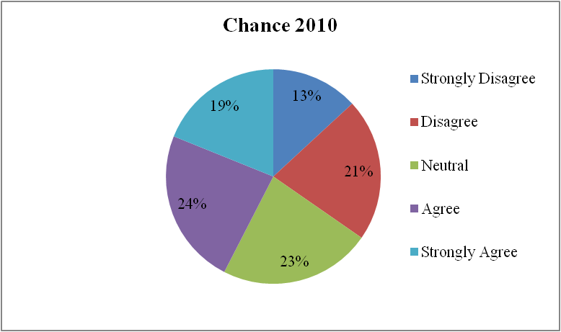
 | No. | Chance 2010 | Strongly Disagree | Disagree | Neutral | Agree | Strongly Agree
 | 1 | 1. I see career growth and advancement opportunities for myself at ABC Systems | 18 | 35 | 28 | 38 | 31 | 150
 | 3 | 3. I am provided with opportunities to broaden my skills and knowledge | 28 | 34 | 42 | 24 | 22 | 150
 | 15 | 15. I know how my work contributes to the success of ABC Systems | 13 | 28 | 33 | 44 | 32 | 150
 |  | TOTAL | 59 | 97 | 103 | 106 | 85 | 450

 |  | Recommended Minimum Target for Communication 65%
 |  | Positive (Include: Strongly Agree & Agree) |  |  |  |  | 42%
 |  | Neutral |  |  |  |  | 23%
 |  | Negative (Include: Strongly Disagree & Disagree) |  |  |  |  | 35%

 |  | Comments on Chance 2010

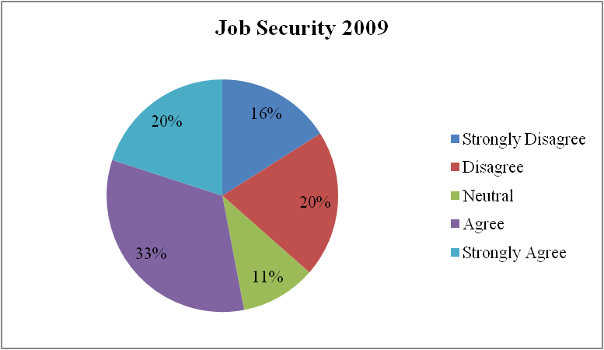
Job security
 | No. | Job Security 2009 | Strongly Disagree | Disagree | Neutral | Agree | Strongly Agree
 | 7 | 7. I am currently looking for another job outside of ABC Systems | 20 | 25 | 7 | 33 | 15 | 100
 | 11 | 11. I have had the training I need to get the job done | 12 | 16 | 14 | 33 | 25 | 100
 |  | TOTAL | 32 | 41 | 21 | 66 | 40 | 200

 |  | Recommended Minimum Target for Communication 65%
 |  | Positive (Include: Strongly Agree & Agree) |  |  |  |  | 53%
 |  | Neutral |  |  |  |  | 11%
 |  | Negative (Include: Strongly Disagree & Disagree) |  |  |  |  | 37%

 |  | Comments on Job Security 2009
 |  | 1. Job security positive are medium 2. Many people do not want to stay with company. Manager should ask the reason why

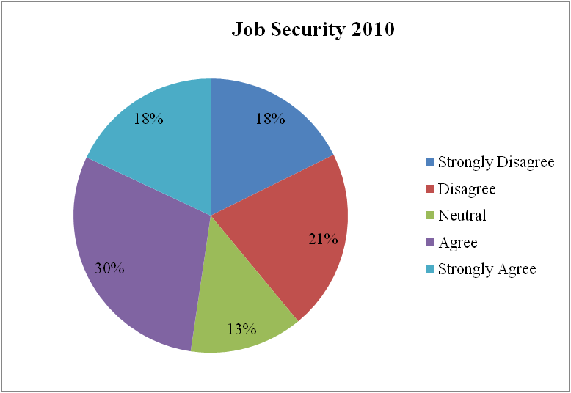

 | No. | Job Security 2010 | Strongly Disagree | Disagree | Neutral | Agree | Strongly Agree
 | 7 | 7. I am currently looking for another job outside of ABC Systems | 31 | 34 | 15 | 46 | 24 | 150
 | 11 | 11. I have had the training I need to get the job done | 22 | 30 | 25 | 43 | 30 | 150
 |  | TOTAL | 53 | 64 | 40 | 89 | 54 | 300
 |  |  | 0.17666666667 | 0.21333333333 | 0.13333333333 | 0.29666666667 | 0.18
 |  | Recommended Minimum Target for Communication 65%
 |  | Positive (Include: Strongly Agree & Agree) |  |  |  |  | 48%
 |  | Neutral |  |  |  |  | 13%
 |  | Negative (Include: Strongly Disagree & Disagree) |  |  |  |  | 39%

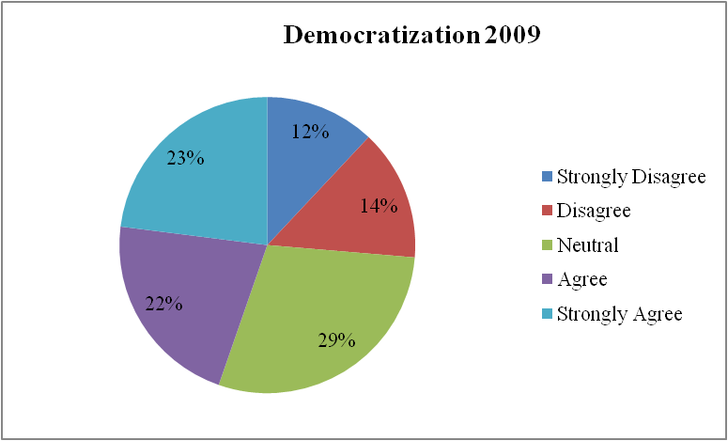
Democratization
 | No. | Democratization 2009 | Strongly Disagree | Disagree | Neutral | Agree | Strongly Agree
 | 8 | 8. I am empowered to make decisions | 18 | 21 | 19 | 18 | 24 | 100
 | 13 | 13. I have access to the information that I need to do my job well | 12 | 15 | 28 | 23 | 22 | 100
 | 14 | 14. My opinions are valued by my project team | 6 | 7 | 40 | 24 | 23 | 100
 |  | TOTAL | 36 | 43 | 87 | 65 | 69 | 300
 |  |  | 0.12 | 0.14333333333 | 0.29 | 0.21666666667 | 0.23

 |  | Recommended Minimum Target for Communication 65%
 |  | Positive (Include: Strongly Agree & Agree) |  |  |  |  | 45%
 |  | Neutral |  |  |  |  | 29%
 |  | Negative (Include: Strongly Disagree & Disagree) |  |  |  |  | 26%

 |  | Comments on Democratization 2009
 |  | 1. Democratization positive are medium 2. Many people thing they can not make decisions and access to the information need for their job.

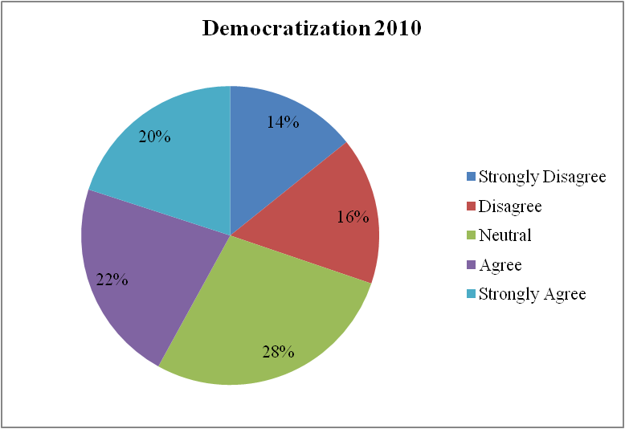
 | No. | Democratization 2010 | Strongly Disagree | Disagree | Neutral | Agree | Strongly Agree
 | 8 | 8. I am empowered to make decisions | 28 | 30 | 30 | 32 | 30 | 150
 | 13 | 13. I have access to the information that I need to do my job well | 22 | 27 | 40 | 33 | 28 | 150
 | 14 | 14. My opinions are valued by my project team | 14 | 15 | 55 | 34 | 32 | 150
 |  | TOTAL | 64 | 72 | 125 | 99 | 90 | 450

 |  | Recommended Minimum Target for Communication 65%
 |  | Positive (Include: Strongly Agree & Agree) |  |  |  |  | 42%
 |  | Neutral |  |  |  |  | 28%
 |  | Negative (Include: Strongly Disagree & Disagree) |  |  |  |  | 30%

Defect summary
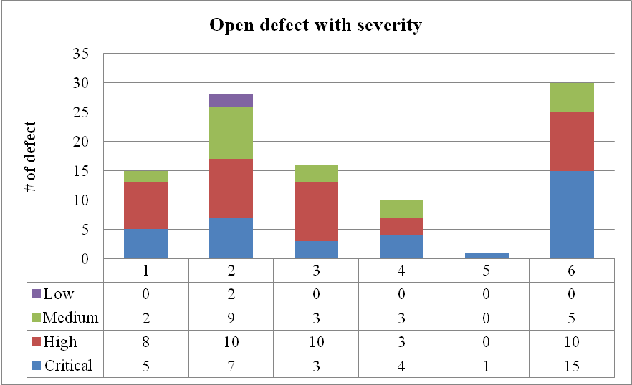
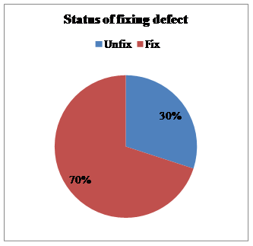
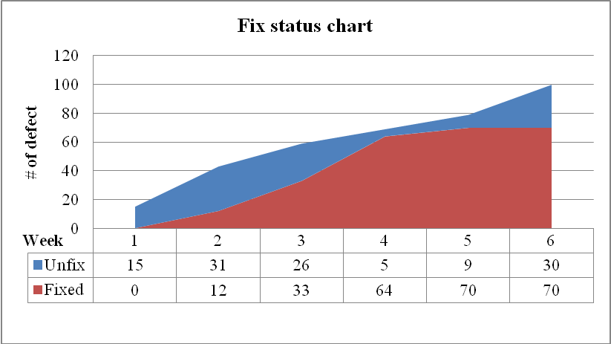
Defect statistics
Date
Number of opened defect | 100
Number of closed defect | 70
RATE | 70%

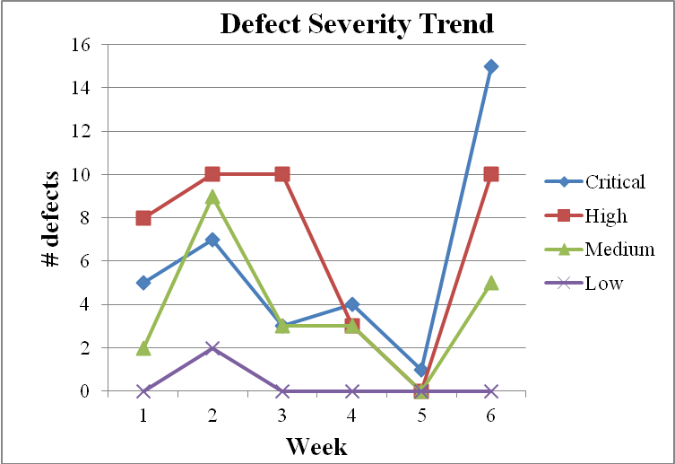
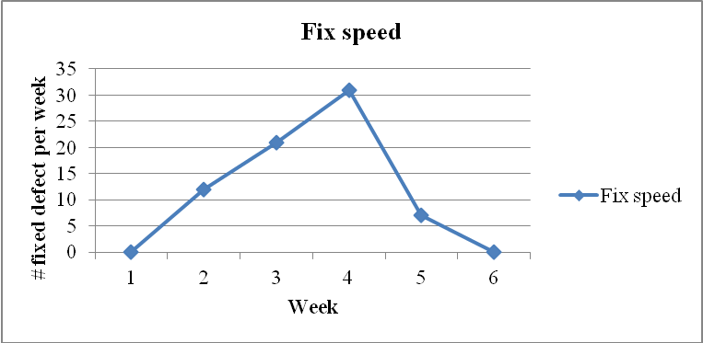

 |  | Note
 |  | 1. Defect fix speed is decrease in 6 weeks. 2. Fixing perfomace is too low in week 5 and 6. 3. In week 5 and 6, the rate of critical level defects is increase more than the before (warning sign)

